Agile Report
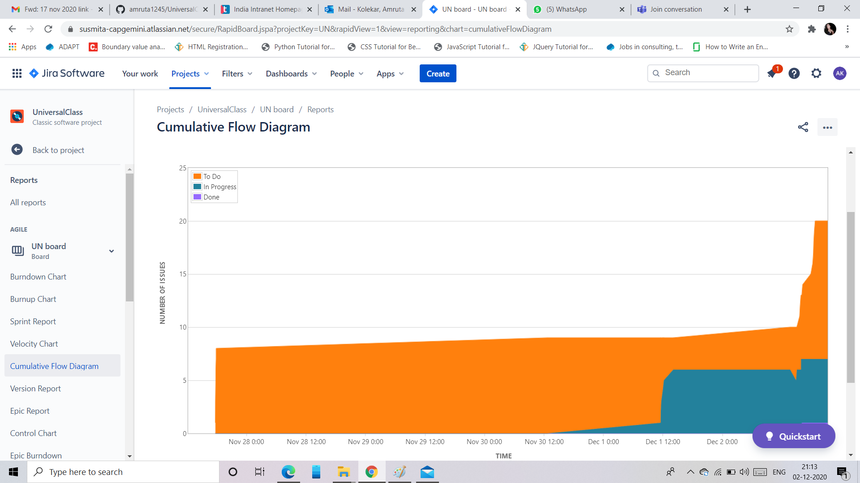
 |  |  | Agile Report

1 | Burndown Chart

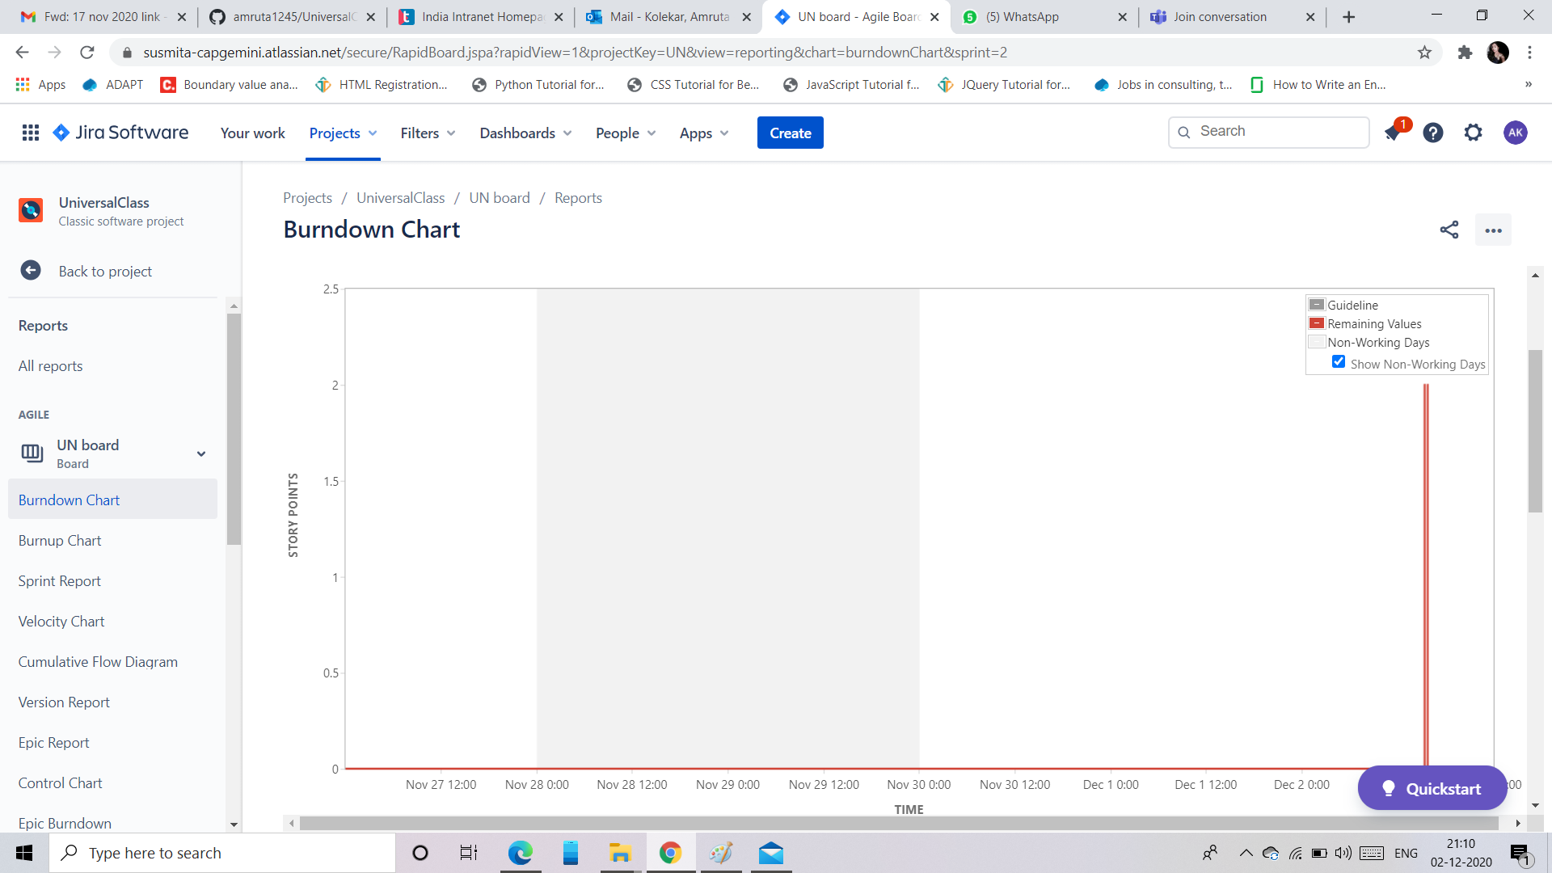

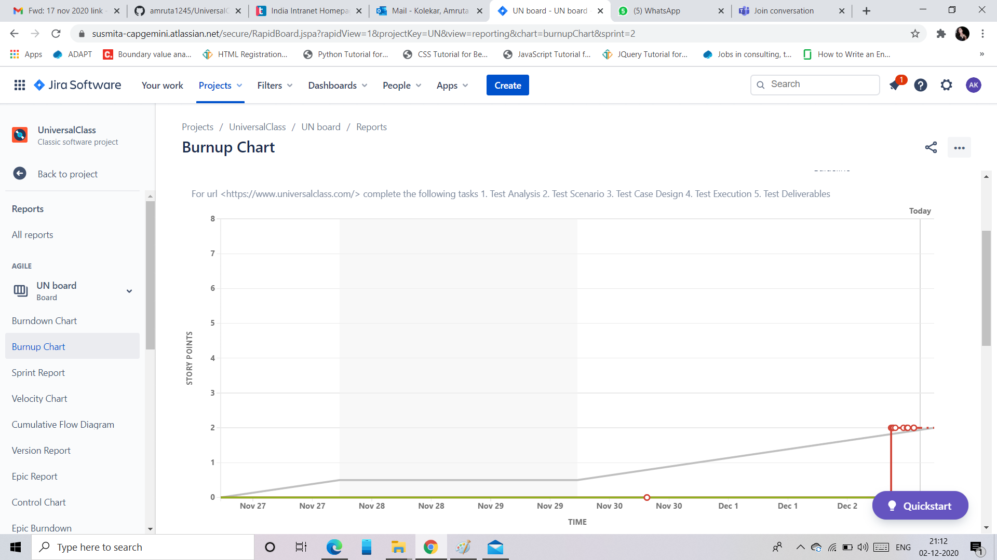
2 | Burnup chart

 | 3 | Sprint Report
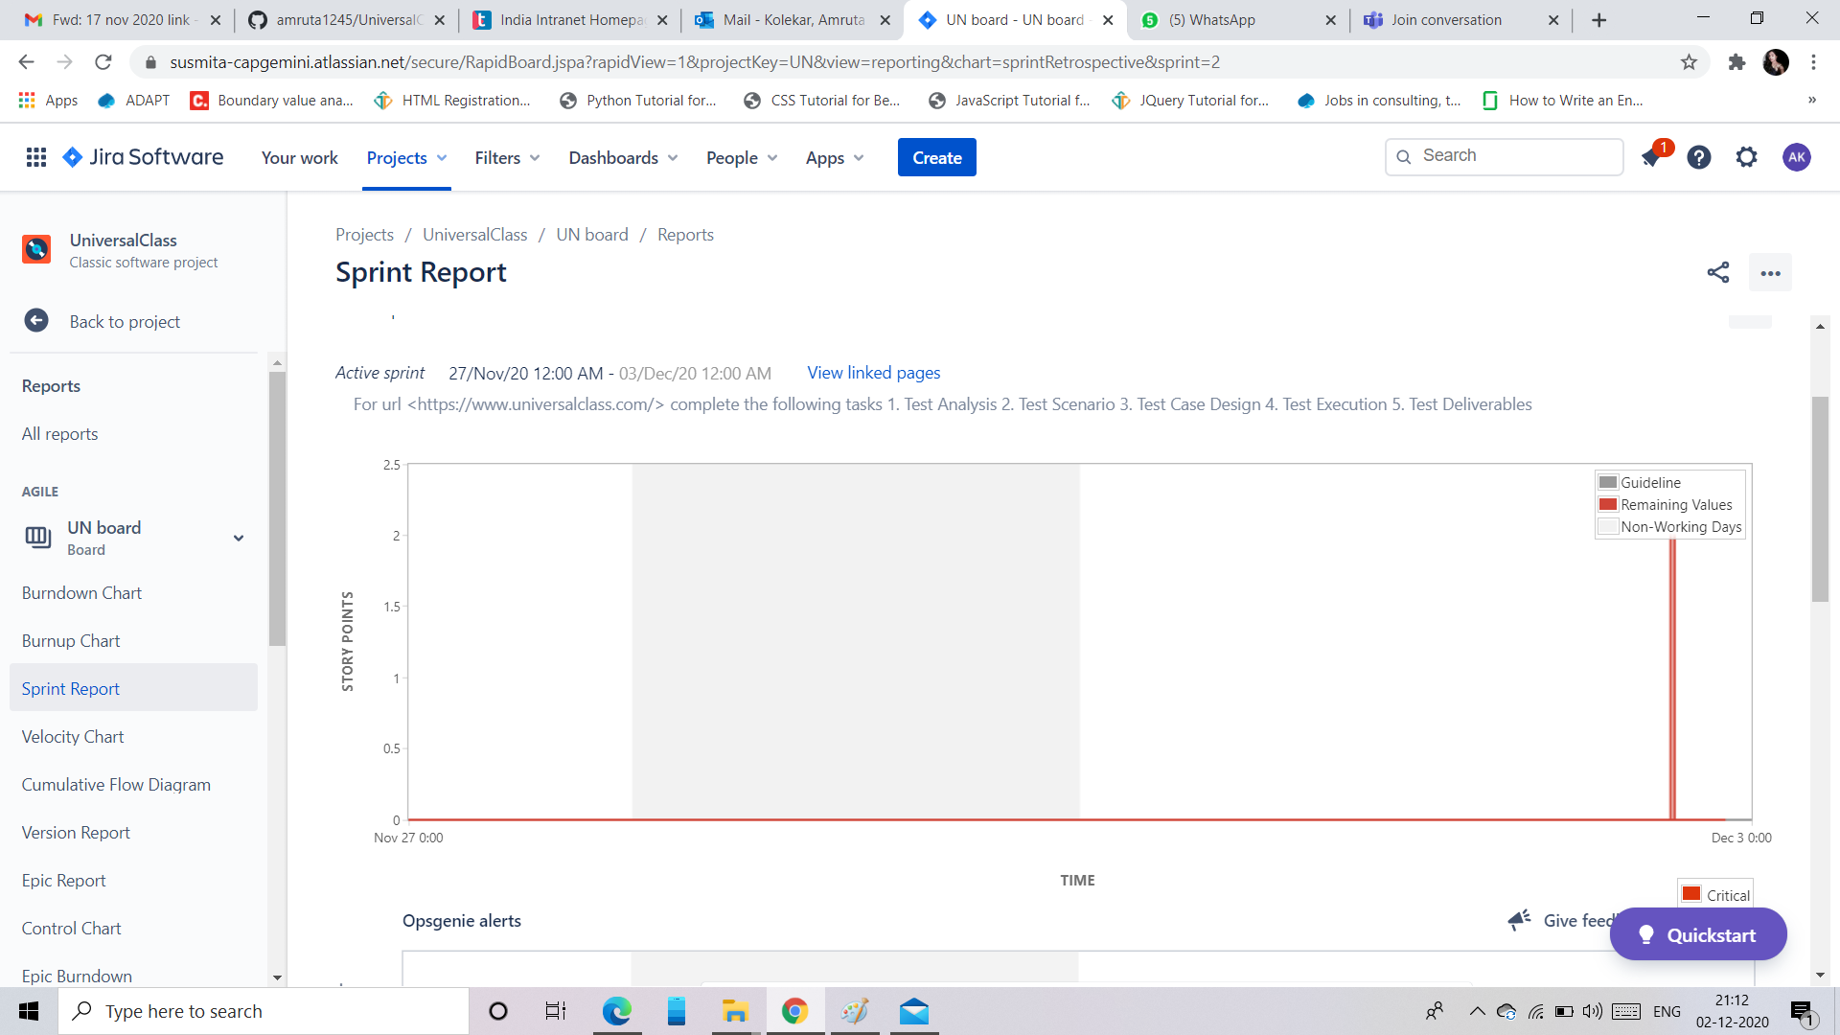

 | 4. Cummulative flow diagram

